Fee_Matrix
Luis Amy Fee Calculator

Complexity multiplier % | 30% |  | Architecture Budget | $342,342.00
Building Shell Budget | $514,800.00 |  | Structural Budget | $66,924.00
Interior construction Budget | $171,600.00 |  | Civil Budget | $25,740.00
Landscape works Budget | $93,600.00 |  | Mechanical Budget | $30,888.00
Project Budget | $780,000.00 |  | Electrical Budget | $23,166.00
 |  |  | Plumbing Budget | $18,018.00
 |  |  | Telecomunication | $7,722.00
Shell Budget Per (ft²) | $128.70
Project Budget Per (ft²) | $195.00

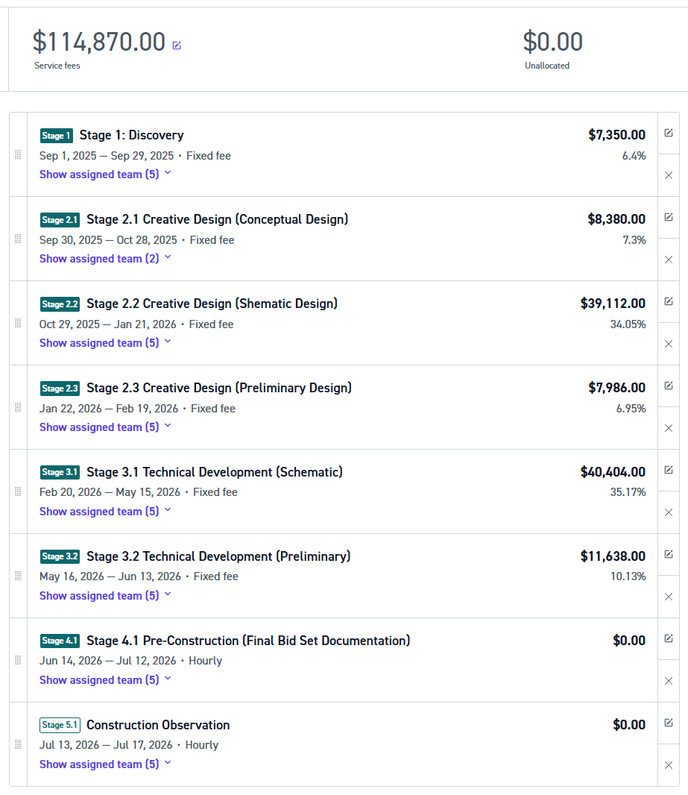
Scan To Bim "As-Built" | Area | Rate | Fee

Areas | Building Type | Tier
Design | Mid-Range Standard Residential | 3
New Building Area (ft²) | -
Existing Building Area (ft²) | 4,000.00
Site Area (m2) | 1,000.00
Total Building Area (ft²) | 5,000.00

Top Down | Construction Cost % Fee |  |  | selection |  | Discount | Hours
Scope | Calculated % | Rate per sq-ft | Market Fee | Consultants | Discounted | 15%
Existing Building Scan to Bim |  | $1.20 | $4,800.00 | $- | $4,080.00 |  | 24.93
Site Scan to Bim | - | $1.20 | $1,200.00 | $- | $1,020.00 |  | 6.23
Architecture (Design + Consultant Admin.) | 11.42% | $14.70 | $58,792.28 | $- | $49,973.44 |  | 305.34 |  | $6,891.19
Interior design | 13.56% | $5.82 | $23,267.16 | $- | $19,777.08 |  | 120.84 |  | $8,039.72
Landscape architecture | 15.75% | $3.69 | $14,742.80 | $- | $12,531.38 |  | 76.57 |  | $40,198.58
Structural engineer | 17.47% | $2.27 |  | $9,074.19 |  |  | 0.00 |  | $8,039.72
Civil / site engineer | 25.55% | $1.64 | $6,575.56 |  | $5,589.23 |  | 34.15 |  | $40,198.58
Mechanical (HVAC, energy, pools) | 23.53% | $1.82 |  | $7,267.39 |  |  |  |  | $11,485.31
Electrical (power / lighting) | 26.84% | $1.55 |  | $6,218.74
Plumbing engineer | 30.39% | $1.37 | $5,475.29 | $- | $4,654.00 |  | 28.44
Low‑voltage / data / BMS | 48.70% | $0.94 |  | $3,760.49
Market Fee | 14.72% | $28.71 | $114,853.09 | $26,320.82 | $97,625.13 |  | 596.50
 | 12.52%

 |  |  |  | Buiding Shell | $65,316.67
Buttom Up | Cost Base Fee |  |  | Interior | $19,777.08
Hourly‑factor from SF curve | 0.25 | 0.33 |  | Outdoor | $12,531.38
Raw design hours | 1661 |  |  |  | $97,625.13
 | 1100 |  | Louis Amy |  |  |  |  |  |  | Real |  | Real Cash Basis | PY Actual |  |  | Market
 |  |  |  | Admin | Desirgner Rate $26 per hr | Desirgner Rate $26 per hr | Architect Rate $26 per hr | Architect Rate $26 per hr | Principal Rate $26 per hr | LouisAmy Real | Mixto | LouisAmy Real Cash Basis | LouisAmy Total Actual 2024 |  |  | Admin | Desirgner Rate $26 per hr | Desirgner Rate $26 per hr | Architect Rate $48 per hr | Architect Rate $48 per hr | Principal Rate $72 per hr | Market Rate | Market Rate After YR 3
 |  |  |  | $- | $74,318.15 | $74,318.15 | $74,318.15 | $74,318.15 | $74,318.15 | $371,590.75 | $371,590.75 | $275,000.00 | $162,520.00 |  |  | $50,255.15 | $74,318.15 | $74,318.15 | $128,459.90 | $128,459.90 | $188,617.40 | $644,428.65 | $793,064.95 | Software | Cursor | month time 12 (Annual) | 1200 | ENERO-JUNIO 2025 | 4
 |  |  |  | $- | 81,967 | 81,967 | 88,296 | 88,296 | 138,930 | $261,331.01 | $184,198.28 | $249,946.53 | $81,515.00 |  |  | $77,226.38 | $83,059.00 | $83,059.00 | $119,672.77 | $119,672.77 | $314,405.00 | $304,432.18 | $377,269.79
 |  |  |  | $- | $156,284.84 | $156,284.84 | $162,614.05 | $162,614.05 | $213,247.80 | $632,921.76 | $555,789.03 | $458,757.39 | $244,035.00 |  |  | $127,481.53 | $157,377.15 | $157,377.15 | $248,132.67 | $248,132.67 | $503,022.40 | $948,860.83 | $1,170,334.74
 |  |  |  | Louis Amy |  |  |  |  |  |  |  |  |  |  |  | Market Rates
II. Cost & Pricing-Per Hour |  |  | Markup | Admin | Designer | Designer | Architect | Engineer | Principal | Ave Rates |  |  |  |  | Markup | Admin | Designer | Designer | Architect | Engineer | Principal | Ave Rates
Rate -Pricing per hour |  |  | 100% | - | 150 | 150 | 156 | 156 | 205 | 164 |  |  |  |  | 100% | 123 | 151 | 151 | 239 | 239 | 484 | 253
Rate- Labor Cost per hour |  |  | 2,080 | - | 36 | 36 | 36 | 36 | 36 | 36 |  |  |  |  | 2080 | 24 | 36 | 36 | 62 | 62 | 91 | 57
Rate -Overhead per hour |  |  | 2,080 | - | 39 | 39 | 42 | 42 | 67 | 46 |  |  |  |  | 2080 | 37 | 40 | 40 | 58 | 58 | 151 | 69
Rate -Total Cost |  |  |  | - | 75 | 75 | 78 | 78 | 103 | 82 |  |  |  |  |  | 61 | 76 | 76 | 119 | 119 | 242 | 126
Margin |  |  |  |  | 50% | 50% | 50% | 50% | 50% | 50% |  |  |  |  |  | 50% | 50% | 50% | 50% | 50% | 50% | 50%
Employees Idle cost (Non Billable Time) |  |  |  |  | 61 | 61 | 61 | 61 | 61 |  |  |  |  |  |  | 0 | 0 | 0 | 0 | 0 | 0

III. Project Hours & Leverage | Months | Hours % Allocation | Hours per Stage | Admin | Designer | Designer | Architect | Engineer | Principal | Total
Sq Feet |  |  | 5,000
Hours Factor |  |  | 0.220
Total Hours |  |  | 1,100
Kick-Off |  |  | 0 | 0% | 8% | 8% | 8% | 8% | 68% | 100% | 0.00
Discovery | 1 | 6.0% | 66 | 0% | 37% | 37% | 10% | 2% | 14% | 100% | 80.00 | $12,000.00 | 7
Creative - Conceptual | 1 | 7.0% | 77 | 0% | 0% | 0% | 95% | 0% | 5% | 100% | 80.00 | $12,000.00 | 7
Creative - Shematic | 3 | 35.0% | 385 | 0% | 32% | 32% | 32% | 2% | 2% | 100% | 400.00 | $60,000.00 | 36
Creative - Preliminary | 1 | 7.0% | 77 | 0% | 32% | 32% | 32% | 2% | 2% | 100% | 80.00 | $12,000.00 | 7
Technical - Shematic | 3 | 35.0% | 385 | 0% | 26% | 26% | 10% | 32% | 6% | 100% | 400.00 | $60,000.00 | 36
Technical - Preliminary | 1 | 10.0% | 110 | 0% | 26% | 26% | 10% | 32% | 6% | 100% | 160.00 | $24,000.00 | 15
Pre-Construction (Hourly Rate) | Varies |  | 0 | 0% | 0% | 0% | 0% | 0% | 0%
Construction Observation (Hourly Rate) | Varies |  |  | 0% | 0% | 0% | 0% | 0% | 0%
Total % Per Employees | 10 | 100.00% | 1,100 | 0% | 27% | 27% | 25% | 15% | 5% | 100% |  |  | V. Project Budget |  |  |  |  |  | Scenario 1 | Scenario 2 | Scenario 3 | Scenario 4
 |  |  |  |  |  |  |  |  |  |  |  |  |  |  |  |  |  |  | -35%
IV. Project Hours Distribution |  |  |  | Admin | Designer | Designer | Architect | Engineer | Principal | Total | Weaks |  | Admin | Designer | Designer | Architect | Engineer | Principal | LouisAmy Discounted | LouisAmy Full Rate | Market Rate Full Rate | Market Rate Discounted
Upfront / Kick-Off |  |  |  | 0 | 0 | 0 | 0 | 0 | 0 | 0 | 0 |  | $- | $- | $- | $- | $- | $- | $- | - | - | -
Discovery |  |  |  | 0 | 25 | 25 | 7 | 2 | 10 | 69 | 1.725 |  | $- | $2,442 | $2,442 | $711 | $203 | $1,333 | $7,131 | 10,971 | 14,550 | 9,458
Creative - Conceptual |  |  |  | 0 | 0 | 0 | 74 | 0 | 4 | 78 | 1.95 |  | $- | $- | $- | $7,521 | $- | $533 | $8,054 | 12,391 | 19,590 | 12,734
Creative - Shematic |  |  |  | 0 | 124 | 124 | 124 | 8 | 8 | 388 | 9.7 |  |  | $12,112 | $12,112 | $12,603 | $813 | $1,066 | $38,706 | 59,548 | 72,892 | 47,380
Creative - Preliminary |  |  |  | 0 | 25 | 25 | 25 | 2 | 2 | 79 | 1.975 |  |  | $2,442 | $2,442 | $2,541 | $203 | $267 | $7,895 | 12,145 | 14,975 | 9,734
Technical - Shematic |  |  |  | 0 | 101 | 101 | 39 | 124 | 24 | 389 | 9.725 |  | $- | $9,865 | $9,865 | $3,964 | $12,603 | $3,199 | $39,496 | 60,763 | 81,066 | 52,693
Technical - Preliminary |  |  |  | 0 | 29 | 29 | 11 | 36 | 7 | 112 | 2.8 |  |  | $2,833 | $2,833 | $1,118 | $3,659 | $933 | $11,375 | 17,500 | 23,376 | 15,195
Pre-Construction |  |  |  | 0 | 0 | 0 | 0 | 0 | 0 | 0 | 0 |  | $- | $- | $- | $- | $- | $- | $- | - | - | -
Construction Observation |  |  |  | 0 | 0 | 0 | 0 | 0 | 0 | 0 | 0 |  | $- | $- | $- | $- | $- | $- | $- | - | - | -
 |  |  | Total | - | 304 | 304 | 280 | 172 | 55 | 1,115 | 28 | Pricing | $- | $29,694 | $29,694 | $28,457 | $17,481 | $7,330 | $112,657 | 173,319 | 226,450 | 147,192
 |  |  | Yearly Utilization |  | 15% | 15% | 13% | 8% | 3% | 15 |  | Labor Cost |  | 10,862 | 10,862 | 10,004 | 6,146 | 1,965 | 39,839 | 39,839 | 54,627 | 54,627
 |  |  |  |  |  |  |  |  |  |  |  | Overhead |  | 11,980 | 11,980 | 11,886 | 7,301 | 3,674 | 46,820 | 46,820 | 58,598 | 58,598
 |  |  |  |  |  |  |  |  |  |  |  | Total Cost | - | 22,842 | 22,842 | 21,890 | 13,447 | 5,639 | 86,659 | 86,659 | 113,225 | 113,225
 |  |  |  |  |  |  |  |  |  |  |  | Profit | - | 6,852 | 6,852 | 6,567 | 4,034 | 1,692 | 25,998 | 86,659 | 113,225 | 33,967
 |  |  |  |  |  |  |  |  |  |  |  | Marging | 0% | 23% | 23% | 23% | 23% | 23% | 23% | 50% | 50% | 23%
 |  |  |  |  |  |  |  |  |  |  |  | Contruction Cost & (AE %) | 780,000 |  |  |  |  |  | 14% | 22% | 29% | 19%

Compression premium % | 0%
Contingency % | 0%
Cost‑based fee | $1,827,324.56

 |  |  |  | Hourly Rate | Total
 |  |  | Project Time Schedule |  | 10 | months
 |  |  | Total Working Time |  | 1100 | hrs
 |  |  | Labor | $35.73 | 39,302.87
 |  |  | Overhead | $46.10 | 50,711.57
 |  |  | Profit | $81.83 | $90,014.44
 |  |  | Firm Hourly Fixed Fee | $163.66 | $180,028.87

 |  |  | Profit Discount | 30% | $54,008.66
 |  |  | Total Profit |  | $36,005.77
 |  |  | Total Quote |  | $126,020.21

Sheet1
